1. proposal2_foam1
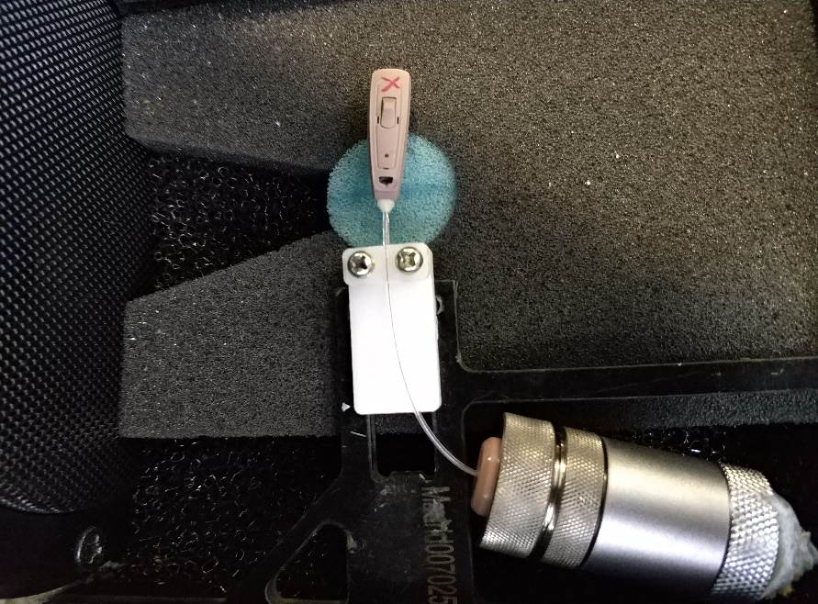
 | proposal 2 jig
 |  | foam1: attach a foam around the red line on frame

BUT, this comparision use different frame, the connect tightness between frame and jig may be different
so, next use same frame, just tear off the foam on the frame

found: the gap is not so big

2. foam2
switch to use original new design jig
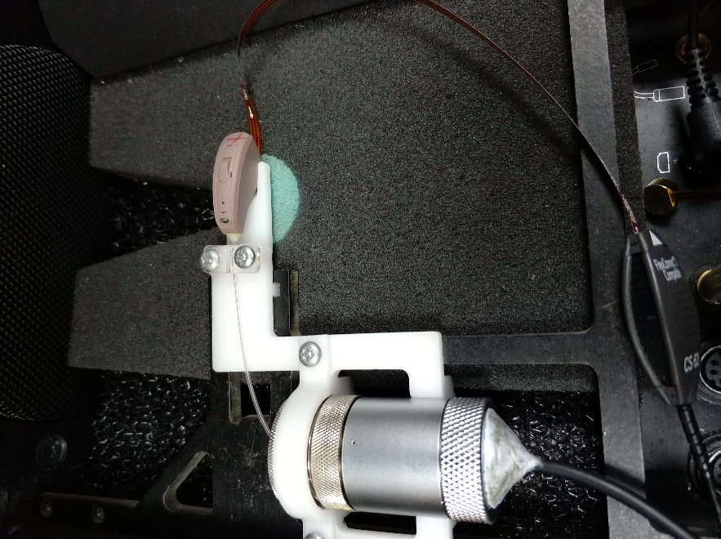

will find most HI will fail, so use the proposal2 again. No foam

the failed HI can pass again in the proposal2 even no foam

now, use foam2 to isolate the vibration from frame
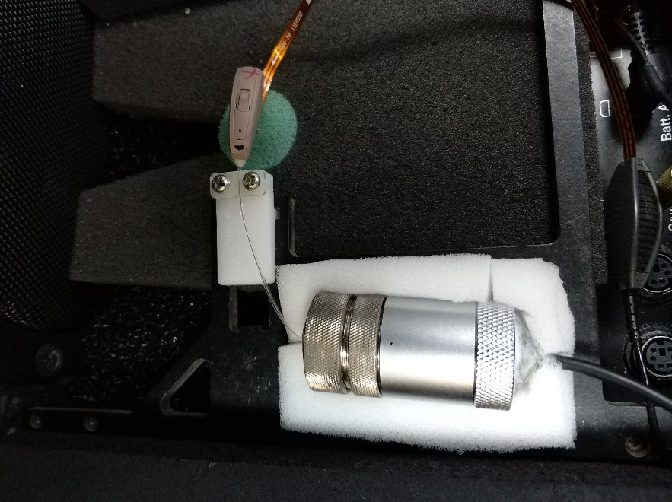

use this foam, the result will be very good

conclusion: original new design jig have the stability problem, and cut off samplified (new jig) can fix it in some way
 | foamed the frame can fix it further

3. FOG
Hz | 100 | 106 | 112 | 118 | 125 | 132 | 140 | 150 | 160 | 170 | 180 | 190 | 200 | 212 | 224 | 236 | 250 | 265 | 280 | 300 | 315 | 335 | 355 | 375 | 400 | 425 | 450 | 475 | 500 | 530 | 560 | 600 | 630 | 670 | 710 | 750 | 800 | 850 | 900 | 950 | 1000 | 1060 | 1120 | 1180 | 1250 | 1320 | 1400 | 1500 | 1600 | 1700 | 1800 | 1900 | 2000 | 2120 | 2240 | 2360 | 2500 | 2650 | 2800 | 3000 | 3150 | 3350 | 3550 | 3750 | 4000 | 4250 | 4500 | 4750 | 5000 | 5300 | 5600 | 6000 | 6300 | 6700 | 7100 | 7500 | 8000 | 8500 | 9000 | 9500 | 10000
original#022 | 48.337 | 48.813 | 49.243 | 49.576 | 49.892 | 50.349 | 50.616 | 51.086 | 50.658 | 51.957 | 52.523 | 52.881 | 53.3 | 53.508 | 53.86 | 53.952 | 54.159 | 54.273 | 54.481 | 54.898 | 55.109 | 55.251 | 55.444 | 55.522 | 55.534 | 55.842 | 55.789 | 55.846 | 55.43 | 55.434 | 55.531 | 55.307 | 54.99 | 54.946 | 54.612 | 54.424 | 54.319 | 54.988 | 54.702 | 55.639 | 55.885 | 56.497 | 56.748 | 57.373 | 58.58 | 58.44 | 60.22 | 60.963 | 67.602 | 78.417 | 73.184 | 67 | 63.288 | 62.379 | 60.237 | 57.207 | 56.017 | 55.082 | 54.073 | 53.463 | 53.266 | 53.455 | 53.833 | 54.824 | 57.277 | 56.655 | 50.234 | 45.329 | 41.218 | 38.354 | 34.82 | 32.383 | 30.804 | 31.782 | 38.618 | 28.532 | 15.671 | 8.961 | 3.282 | -2.426 | -15.102
original#078 | 48.387 | 48.945 | 49.327 | 49.856 | 50.148 | 50.518 | 51.029 | 51.47 | 52.368 | 52.444 | 52.793 | 53.082 | 53.532 | 54.031 | 54.196 | 54.414 | 54.765 | 55.055 | 55.155 | 55.407 | 55.742 | 55.766 | 55.736 | 56.009 | 56.294 | 56.404 | 56.528 | 56.522 | 56.268 | 56.069 | 56.231 | 55.916 | 55.751 | 55.41 | 55.172 | 55.039 | 54.982 | 55.485 | 55.415 | 56.514 | 57.393 | 59.023 | 60.656 | 61.981 | 64.29 | 65.439 | 68.321 | 69.366 | 72.833 | 73.756 | 73.028 | 74.446 | 58.375 | 68.907 | 66.895 | 63.297 | 60.222 | 58.542 | 56.977 | 56.121 | 55.616 | 55.377 | 55.908 | 56.961 | 59.202 | 58.639 | 52.181 | 47.27 | 43.093 | 39.4 | 36.429 | 33.671 | 32.602 | 32.738 | 39.485 | 29.962 | 16.779 | 7.682 | 2.38 | -3.569 | -42.648
original#749 | 47.31 | 48.023 | 48.503 | 49.063 | 49.474 | 49.626 | 50.094 | 50.609 | 51.065 | 51.306 | 51.886 | 52.271 | 52.693 | 52.972 | 53.11 | 53.347 | 53.792 | 54.168 | 54.284 | 54.536 | 54.749 | 54.847 | 54.869 | 55.184 | 55.275 | 55.452 | 55.716 | 55.679 | 55.472 | 55.221 | 55.184 | 55.031 | 54.895 | 54.492 | 54.256 | 54.075 | 54.157 | 54.2 | 54.86 | 55.436 | 56.27 | 57.703 | 59.806 | 61.085 | 62.736 | 65.216 | 68.962 | 66.02 | 71.481 | 74.203 | 74.722 | 73.905 | 68.384 | 68.575 | 65.824 | 62.463 | 60.256 | 58.751 | 57.292 | 55.57 | 55.014 | 54.395 | 54.719 | 55.917 | 58.751 | 57.97 | 51.712 | 46.573 | 42.52 | 38.675 | 35.848 | 33.071 | 31.873 | 32.461 | 39.078 | 29.298 | 16.103 | 7.005 | 1.491 | -3.272 | -36.905
original#928 | 47.926 | 48.444 | 48.698 | 49.307 | 49.65 | 50.091 | 50.511 | 50.995 | 51.528 | 51.898 | 52.446 | 52.748 | 53.164 | 53.476 | 53.674 | 53.935 | 54.178 | 54.422 | 54.636 | 55.03 | 55.211 | 55.284 | 55.638 | 55.528 | 55.866 | 55.999 | 56.141 | 55.952 | 55.966 | 55.717 | 55.7 | 55.618 | 55.213 | 54.998 | 54.863 | 54.712 | 54.667 | 54.856 | 55.446 | 56.133 | 57.08 | 58.55 | 60.57 | 61.721 | 64.338 | 65.041 | 69.43 | 70.672 | 70.79 | 68.479 | 74.633 | 74.995 | 65.636 | 69.82 | 66.063 | 62.967 | 60.094 | 58.871 | 57.441 | 55.993 | 55.453 | 55.089 | 55.44 | 56.635 | 59.236 | 58.642 | 51.938 | 47.148 | 42.834 | 39.159 | 36.103 | 33.257 | 32.074 | 32.511 | 39.454 | 29.382 | 16.262 | 6.501 | 1.354 | -3.772 | -40.904
original#021 | 48.401 | 48.758 | 49.349 | 49.671 | 50.041 | 50.369 | 50.809 | 51.405 | 51.633 | 52.209 | 52.669 | 52.604 | 53.527 | 53.808 | 53.877 | 54.174 | 54.352 | 54.548 | 54.757 | 55.221 | 55.253 | 55.483 | 55.649 | 55.749 | 55.961 | 56.23 | 56.231 | 56.158 | 55.957 | 55.838 | 55.951 | 55.694 | 55.32 | 55.217 | 55.076 | 54.878 | 54.631 | 55.185 | 55.42 | 56.295 | 57.017 | 58.938 | 60.551 | 61.703 | 63.887 | 65.981 | 68.743 | 68.39 | 70.297 | 71.448 | 75.523 | 75.676 | 70.029 | 69.539 | 66.761 | 63.466 | 60.617 | 59.1 | 57.768 | 56.3 | 55.633 | 55.277 | 55.697 | 56.948 | 59.608 | 58.734 | 52.374 | 47.224 | 43.159 | 39.254 | 36.166 | 33.428 | 32.49 | 32.922 | 39.677 | 29.95 | 16.72 | 7.637 | 2.374 | -3.306 | -35.527
proposal2#022 | 47.302 | 47.988 | 48.114 | 48.692 | 49.122 | 49.52 | 49.795 | 50.302 | 50.839 | 51.264 | 51.616 | 52.001 | 52.422 | 52.812 | 53.103 | 53.45 | 53.637 | 53.772 | 54.039 | 54.152 | 54.443 | 54.455 | 54.665 | 54.76 | 55.015 | 55.267 | 55.07 | 55.124 | 55.053 | 55.049 | 54.768 | 54.682 | 54.571 | 54.516 | 53.867 | 54.02 | 53.92 | 54.104 | 54.843 | 55.068 | 56.331 | 57.652 | 59.411 | 61.014 | 63.068 | 64.867 | 66.911 | 69.367 | 71.862 | 73.687 | 74.198 | 73.251 | 71.875 | 69.098 | 66.04 | 63.654 | 61.06 | 58.946 | 57.448 | 56.222 | 55.891 | 55.366 | 55.307 | 56.195 | 58.89 | 58.169 | 51.474 | 45.939 | 41.769 | 37.608 | 34.707 | 32.113 | 31.111 | 30.817 | 37.062 | 26.703 | 14.668 | 6.39 | -3.907 | -4.169 | -49.145
proposal2#078 | 47.792 | 48.316 | 48.937 | 49.453 | 49.757 | 49.875 | 50.39 | 50.864 | 51.34 | 51.756 | 52.273 | 52.502 | 52.98 | 53.262 | 53.46 | 53.914 | 54.157 | 54.226 | 54.351 | 54.595 | 54.685 | 54.805 | 55.087 | 55.187 | 55.316 | 55.515 | 55.681 | 55.593 | 55.348 | 55.251 | 55.197 | 55.034 | 54.898 | 54.574 | 54.108 | 54.326 | 54.014 | 54.254 | 54.815 | 55.659 | 56.586 | 58.154 | 59.651 | 61.296 | 63.35 | 65.091 | 67.209 | 69.446 | 72.071 | 74.017 | 74.471 | 73.636 | 71.848 | 69.222 | 66.439 | 63.821 | 61.33 | 59.315 | 57.708 | 56.368 | 56.054 | 55.556 | 55.463 | 56.433 | 59.01 | 58.436 | 51.762 | 46.185 | 41.744 | 37.744 | 34.855 | 32.575 | 31.302 | 31.369 | 37.399 | 26.587 | 14.262 | 5.367 | -3.75 | -3.848 | -41.53
proposal2#749 | 47.079 | 47.448 | 48.067 | 48.402 | 48.782 | 49.147 | 49.716 | 49.961 | 50.523 | 50.955 | 51.307 | 51.749 | 52.075 | 52.383 | 52.633 | 52.922 | 53.116 | 53.504 | 53.391 | 53.816 | 53.876 | 53.893 | 54.145 | 54.26 | 54.237 | 54.626 | 54.676 | 54.754 | 54.425 | 54.434 | 54.268 | 54.021 | 53.896 | 53.7 | 53.427 | 53.255 | 53.17 | 53.323 | 53.821 | 54.518 | 55.467 | 57.081 | 58.442 | 60.149 | 62.231 | 63.99 | 66.012 | 68.504 | 71.116 | 72.798 | 73.313 | 72.519 | 70.942 | 68.572 | 65.599 | 63.277 | 60.633 | 58.575 | 57.009 | 55.554 | 55.052 | 54.338 | 54.399 | 55.203 | 57.821 | 57.559 | 51.187 | 45.65 | 41.075 | 37.178 | 34.265 | 31.739 | 30.379 | 30.356 | 36.277 | 25.494 | 13.612 | 5.099 | -4.948 | -4.313 | -39.38
proposal2#928 | 47.385 | 48.058 | 48.508 | 48.823 | 49.267 | 49.454 | 50.045 | 50.592 | 51.031 | 51.407 | 51.604 | 52.158 | 52.611 | 52.819 | 53.038 | 53.415 | 53.539 | 53.722 | 53.858 | 54.312 | 54.441 | 54.439 | 54.608 | 54.774 | 54.909 | 55.062 | 55.331 | 55.18 | 55.011 | 54.819 | 54.715 | 54.716 | 54.557 | 54.357 | 53.763 | 53.734 | 53.917 | 54.183 | 54.533 | 55.279 | 56.288 | 57.633 | 59.274 | 61.051 | 62.903 | 64.645 | 66.718 | 69.115 | 71.953 | 73.456 | 74.064 | 73.383 | 71.772 | 68.999 | 66.021 | 63.729 | 60.988 | 59.079 | 57.572 | 56.15 | 55.579 | 55.169 | 55.172 | 55.852 | 58.585 | 57.982 | 51.423 | 45.946 | 41.623 | 37.454 | 34.538 | 32.084 | 30.992 | 30.922 | 36.781 | 25.841 | 13.665 | 5.486 | -4.626 | -3.33 | -36.516
proposal2#021 | 47.817 | 48.05 | 48.71 | 49.024 | 49.409 | 49.255 | 50.039 | 50.558 | 50.957 | 51.482 | 51.864 | 52.306 | 52.658 | 53.107 | 53.333 | 53.527 | 53.706 | 53.849 | 54.041 | 54.199 | 54.441 | 54.508 | 54.728 | 54.269 | 54.794 | 55.095 | 55.194 | 55.209 | 55.175 | 54.843 | 54.964 | 54.821 | 54.626 | 54.286 | 53.92 | 53.989 | 53.836 | 54.29 | 54.699 | 55.373 | 56.263 | 57.962 | 59.501 | 61.168 | 63.117 | 64.733 | 66.956 | 69.39 | 71.778 | 73.697 | 74.314 | 73.344 | 71.906 | 69.102 | 66.108 | 63.655 | 61.096 | 58.922 | 57.578 | 56.14 | 55.929 | 55.406 | 55.42 | 56.329 | 58.902 | 58.239 | 51.798 | 46.092 | 41.932 | 37.571 | 34.656 | 32.261 | 31.26 | 31.214 | 37.442 | 27.002 | 14.904 | 6.669 | -4.228 | -3.581 | -42.238
proposal2#021_foam | 47.62 | 48.315 | 48.756 | 49.132 | 49.416 | 49.747 | 49.452 | 50.46 | 51.132 | 51.459 | 51.848 | 52.38 | 52.893 | 53.088 | 53.402 | 53.607 | 53.58 | 53.942 | 54.049 | 54.227 | 54.634 | 54.669 | 54.88 | 54.913 | 55.113 | 55.332 | 55.326 | 55.303 | 55.159 | 55.072 | 54.937 | 54.799 | 54.676 | 54.344 | 54.033 | 53.854 | 53.861 | 54.226 | 54.704 | 55.328 | 56.43 | 57.823 | 59.628 | 61.101 | 62.951 | 64.703 | 66.897 | 69.257 | 71.835 | 73.553 | 74.321 | 73.346 | 71.946 | 69.054 | 66.181 | 63.66 | 61.139 | 59.061 | 57.724 | 56.164 | 55.702 | 55.24 | 55.238 | 56.124 | 58.689 | 58.191 | 51.534 | 46.221 | 41.973 | 38.013 | 35.066 | 32.493 | 30.94 | 30.849 | 37.471 | 26.752 | 14.788 | 5.853 | -3.738 | -3.922 | -37.655

FOG50

from the FOG50 curves, we can see original new design fixture can make HI unstable. And proposal can fix this issue.

